Dashboard
Nigeria Car Market Analysis

Avg. Vehicle Metrics
Car Distribution
2.2K
₦20.7M
7.8K
(Km)
132
(hp)
(C/C)

Price
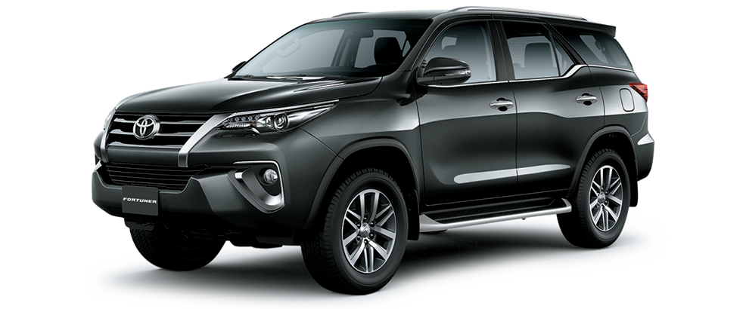
Mileage
Horse Power
Engine Size

Top 10 Most Popular Cars

 | Total
Ford | 1
Changan | 1
Dongfeng | 1
Kia | 1
Toyota | 1
Land Rover | 1
GAC | 5
Suzuki | 12

 | Total
Gold | 3
Blue | 3
Black | 4
White | 4
Silver | 6
Most Preferred Car Colour
Most Preferred Year of Manufacture
 | Total
Automatic | 18
Manual | 5
 | Total
2009 | 1
2014 | 1
2020 | 1
2021 | 1
2022 | 15
2023 | 4

Most Preferred Transmission >>>

Jude
Onuh

